Sheet1
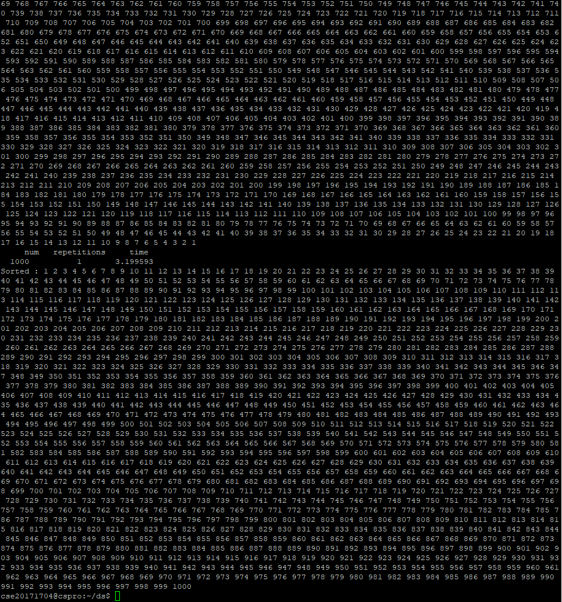
time | 0.000001 | 0.000009 | 0.000815 | 0.005383 | 0.031799 | 0.192424 | 0.635515 | 1.511137 | 3.199593 | putty서버 상 결과물
n | 5 | 10 | 50 | 100 | 200 | 400 | 600 | 800 | 1000
repetitions | 100 | 19 | 15 | 10 | 9 | 7 | 5 | 3 | 1
time(s)

